Application Screen
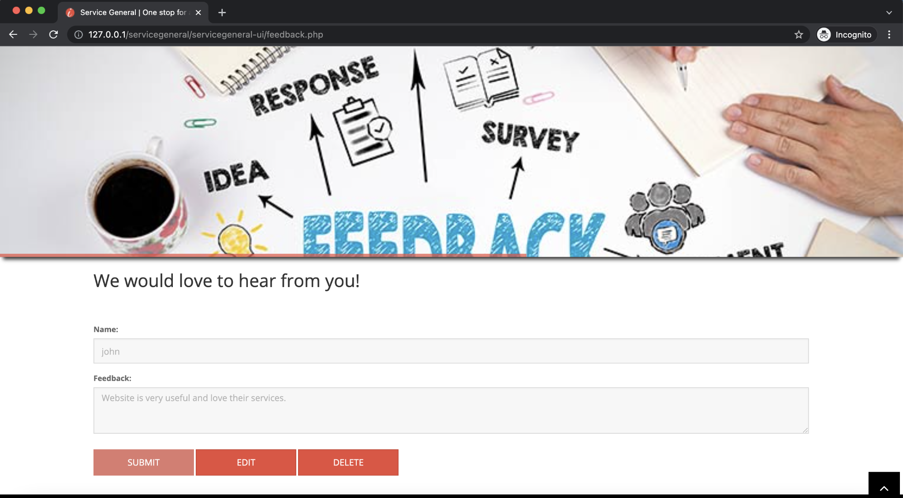

Test Case 3
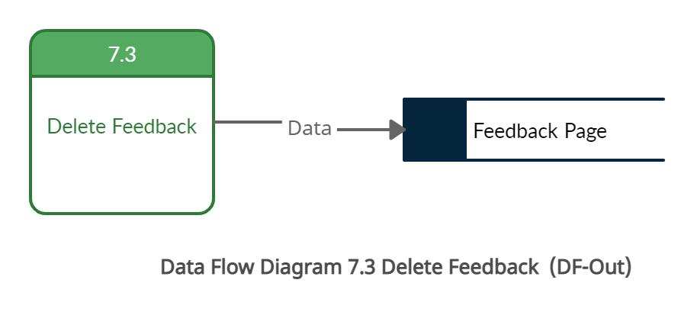
TC Title: | TC3. Delete feedback- DF-IN - Data Flow In

TC Objective: | This test case validates that feedback data generated by feature 7.1 Create Feedback or 7.2 Edit Feedback populateds in the feedback page and delete button option should be present.

TC Description
 | Step | Step Description | Expected Results
 | 1 | Login with the Consumer User ID | Log in should be succesful.
 | 2 | Click on the Feedback button | User should redirect to the Feedback page and previously submitted feedback from features 7.1 or 7.2 should be present on the page

